Test001
Case description:
Lifecycle selected long enough to encompass at least 1 economic lifetime + sufficient time to reinvest capex + 6 operational years before divestment and decommisioning
Capex years made bold red and Opex made blue
escalation_base_year | 2023
lifecycle | 40
start_year | 2023
construction_duration | 3
economic_lifetime | 30
check:
year | economic lifetime | lifecycle | Capex | Opex
2023 | 1 | 1 | capex 1
2024 | 2 | 2 | capex 2
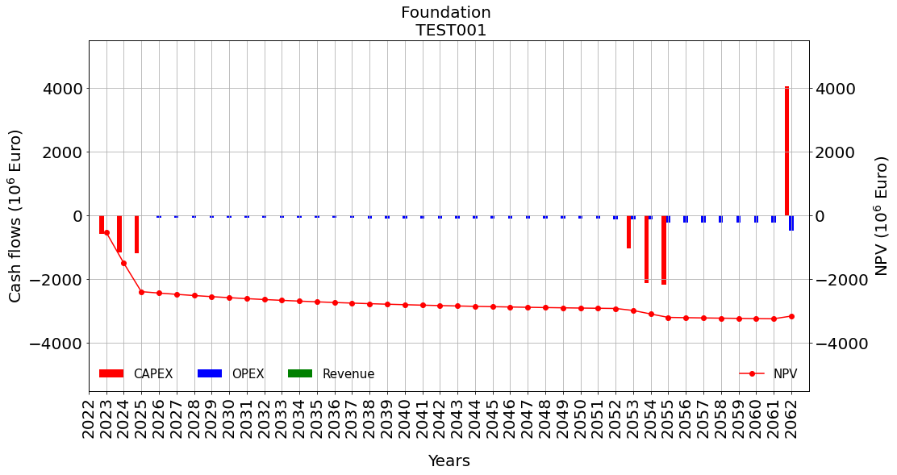
2025 | 3 | 3 | capex 3
2026 | 4 | 4 |  | opex | 2026 | investment_year + construction_duration
2027 | 5 | 5 |  | opex
2028 | 6 | 6 |  | opex
2029 | 7 | 7 |  | opex
2030 | 8 | 8 |  | opex
2031 | 9 | 9 |  | opex
2032 | 10 | 10 |  | opex
2033 | 11 | 11 |  | opex
2034 | 12 | 12 |  | opex
2035 | 13 | 13 |  | opex
2036 | 14 | 14 |  | opex
2037 | 15 | 15 |  | opex
2038 | 16 | 16 |  | opex
2039 | 17 | 17 |  | opex
2040 | 18 | 18 |  | opex
2041 | 19 | 19 |  | opex
2042 | 20 | 20 |  | opex
2043 | 21 | 21 |  | opex
2044 | 22 | 22 |  | opex
2045 | 23 | 23 |  | opex
2046 | 24 | 24 |  | opex
2047 | 25 | 25 |  | opex
2048 | 26 | 26 |  | opex
2049 | 27 | 27 |  | opex
2050 | 28 | 28 |  | opex
2051 | 29 | 29 |  | opex
2052 | 30 | 30 |  | opex
2053 | 1 | 31 | capex 1 | opex
2054 | 2 | 32 | capex 2 | opex
2055 | 3 | 33 | capex 3 | opex + decommissioning | 2056 | investment_year + construction_duration + economic_lifetime | We should normally add "- 1", but because it is the end of 'range' it is ok like this
2056 | 4 | 34 |  | opex | 2056 | investment_year + construction_duration + economic_lifetime
2057 | 5 | 35 |  | opex
2058 | 6 | 36 |  | opex
2059 | 7 | 37 |  | opex
2060 | 8 | 38 |  | opex
2061 | 9 | 39 |  | opex
2062 | 10 | 40 | divestment | opex + decommissioning | 2063 | escalation_base_year + lifecycle | We should normally add "- 1", but because it is the end of 'range' it is ok like this

Test002
Case description:
Lifecycle selected long enough to encompass at least 2 economic lifetimes + sufficient time to reinvest capex + 6 operational years before divestment and decommisioning
Capex years made bold red and Opex made blue
escalation_base_year | 2023
lifecycle | 70
start_year | 2023
construction_duration | 3
economic_lifetime | 30
check:
year | economic lifetime | lifecycle | Capex | Opex
2023 | 1 | 1 | capex 1
2024 | 2 | 2 | capex 2
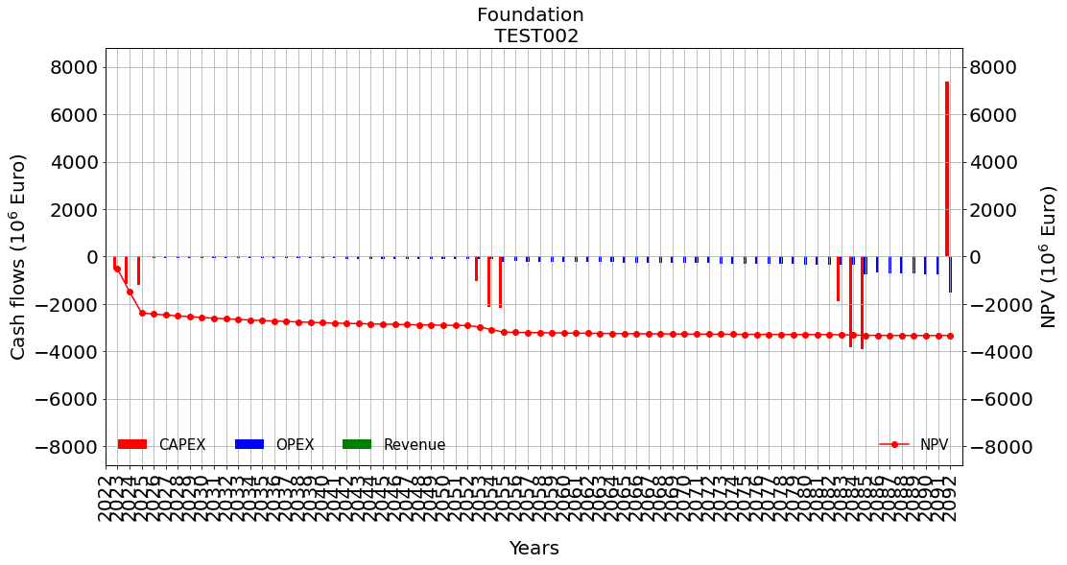
2025 | 3 | 3 | capex 3
2026 | 4 | 4 |  | opex | 2026
2027 | 5 | 5 |  | opex
2028 | 6 | 6 |  | opex
2029 | 7 | 7 |  | opex
2030 | 8 | 8 |  | opex
2031 | 9 | 9 |  | opex
2032 | 10 | 10 |  | opex
2033 | 11 | 11 |  | opex
2034 | 12 | 12 |  | opex
2035 | 13 | 13 |  | opex
2036 | 14 | 14 |  | opex
2037 | 15 | 15 |  | opex
2038 | 16 | 16 |  | opex
2039 | 17 | 17 |  | opex
2040 | 18 | 18 |  | opex
2041 | 19 | 19 |  | opex
2042 | 20 | 20 |  | opex
2043 | 21 | 21 |  | opex
2044 | 22 | 22 |  | opex
2045 | 23 | 23 |  | opex
2046 | 24 | 24 |  | opex
2047 | 25 | 25 |  | opex
2048 | 26 | 26 |  | opex
2049 | 27 | 27 |  | opex
2050 | 28 | 28 |  | opex
2051 | 29 | 29 |  | opex
2052 | 30 | 30 | divestment = 0 | opex
2053 | 1 | 31 | capex 1 | opex
2054 | 2 | 32 | capex 2 | opex
2055 | 3 | 33 | capex 3 | opex + decommissioning | 2056 | investment_year + construction_duration + economic_lifetime | We should normally add "- 1", but because it is the end of 'range' it is ok like this
2056 | 4 | 34 |  | opex | 2056 | investment_year + construction_duration + economic_lifetime
2057 | 5 | 35 |  | opex
2058 | 6 | 36 |  | opex
2059 | 7 | 37 |  | opex
2060 | 8 | 38 |  | opex
2061 | 9 | 39 |  | opex
2062 | 10 | 40 |  | opex
2063 | 11 | 41 |  | opex
2064 | 12 | 42 |  | opex
2065 | 13 | 43 |  | opex
2066 | 14 | 44 |  | opex
2067 | 15 | 45 |  | opex
2068 | 16 | 46 |  | opex
2069 | 17 | 47 |  | opex
2070 | 18 | 48 |  | opex
2071 | 19 | 49 |  | opex
2072 | 20 | 50 |  | opex
2073 | 21 | 51 |  | opex
2074 | 22 | 52 |  | opex
2075 | 23 | 53 |  | opex
2076 | 24 | 54 |  | opex
2077 | 25 | 55 |  | opex
2078 | 26 | 56 |  | opex
2079 | 27 | 57 |  | opex
2080 | 28 | 58 |  | opex
2081 | 29 | 59 |  | opex
2082 | 30 | 60 | divestment = 0 | opex
2083 | 1 | 61 | capex 1 | opex
2084 | 2 | 62 | capex 2 | opex
2085 | 3 | 63 | capex 3 | opex + decommissioning
2086 | 4 | 64 |  | opex
2087 | 5 | 65 |  | opex
2088 | 6 | 66 |  | opex
2089 | 7 | 67 |  | opex
2090 | 8 | 68 |  | opex
2091 | 9 | 69 |  | opex
2092 | 10 | 70 | divestment | opex + decommissioning

Test003
Case description:
Lifecycle selected exactly 1 economic lifetime
Capex years made bold red and Opex made blue
escalation_base_year | 2023
lifecycle | 30
start_year | 2023
construction_duration | 3
economic_lifetime | 30
check:
year | economic lifetime | lifecycle | Capex | Opex
2023 | 1 | 1 | capex 1
2024 | 2 | 2 | capex 2
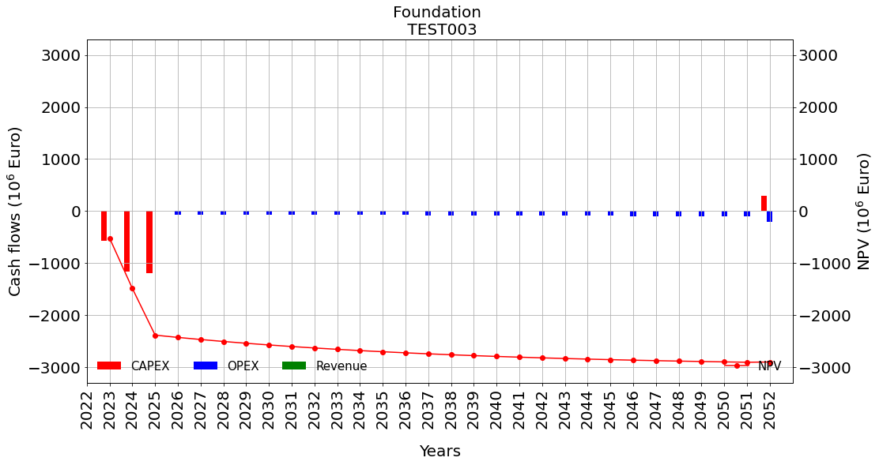
2025 | 3 | 3 | capex 3
2026 | 4 | 4 |  | opex | 2026 | investment_year + construction_duration
2027 | 5 | 5 |  | opex
2028 | 6 | 6 |  | opex
2029 | 7 | 7 |  | opex
2030 | 8 | 8 |  | opex
2031 | 9 | 9 |  | opex
2032 | 10 | 10 |  | opex
2033 | 11 | 11 |  | opex
2034 | 12 | 12 |  | opex
2035 | 13 | 13 |  | opex
2036 | 14 | 14 |  | opex
2037 | 15 | 15 |  | opex
2038 | 16 | 16 |  | opex
2039 | 17 | 17 |  | opex
2040 | 18 | 18 |  | opex
2041 | 19 | 19 |  | opex
2042 | 20 | 20 |  | opex
2043 | 21 | 21 |  | opex
2044 | 22 | 22 |  | opex
2045 | 23 | 23 |  | opex
2046 | 24 | 24 |  | opex
2047 | 25 | 25 |  | opex
2048 | 26 | 26 |  | opex
2049 | 27 | 27 |  | opex
2050 | 28 | 28 |  | opex
2051 | 29 | 29 |  | opex
2052 | 30 | 30 | divestment = 0 | opex + decommissioning

 |  |  |  |  | 2056 | investment_year + construction_duration + economic_lifetime | We should normally add "- 1", but because it is the end of 'range' it is ok like this

Test004
Case description:
Lifecycle selected exactly 1 economic lifetime + 1 year (not enough to complete new capex cycle)
Capex years made bold red and Opex made blue
escalation_base_year | 2023
lifecycle | 31
start_year | 2023
construction_duration | 3
economic_lifetime | 30
check:
year | economic lifetime | lifecycle | Capex | Opex
2023 | 1 | 1 | capex 1
2024 | 2 | 2 | capex 2
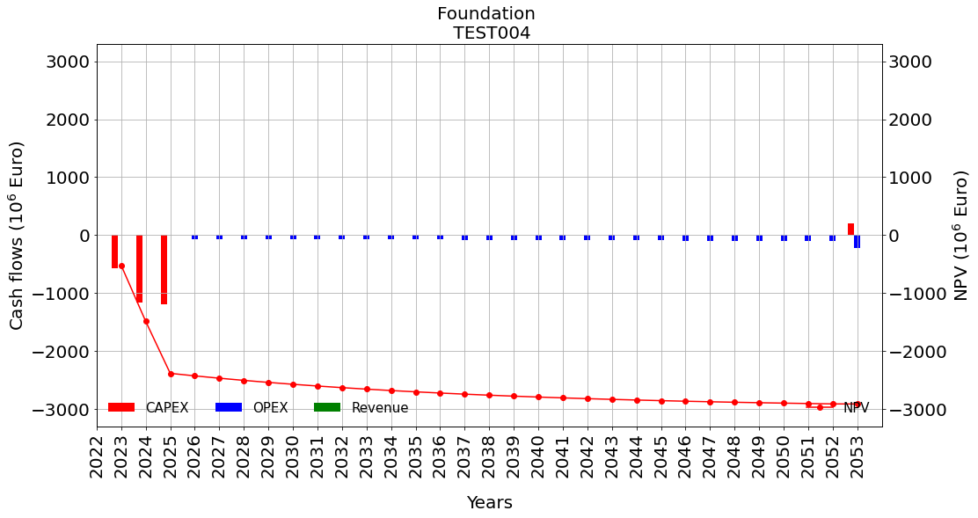
2025 | 3 | 3 | capex 3
2026 | 4 | 4 |  | opex | 2026 | investment_year + construction_duration
2027 | 5 | 5 |  | opex
2028 | 6 | 6 |  | opex
2029 | 7 | 7 |  | opex
2030 | 8 | 8 |  | opex
2031 | 9 | 9 |  | opex
2032 | 10 | 10 |  | opex
2033 | 11 | 11 |  | opex
2034 | 12 | 12 |  | opex
2035 | 13 | 13 |  | opex
2036 | 14 | 14 |  | opex
2037 | 15 | 15 |  | opex
2038 | 16 | 16 |  | opex
2039 | 17 | 17 |  | opex
2040 | 18 | 18 |  | opex
2041 | 19 | 19 |  | opex
2042 | 20 | 20 |  | opex
2043 | 21 | 21 |  | opex
2044 | 22 | 22 |  | opex
2045 | 23 | 23 |  | opex
2046 | 24 | 24 |  | opex
2047 | 25 | 25 |  | opex
2048 | 26 | 26 |  | opex
2049 | 27 | 27 |  | opex
2050 | 28 | 28 |  | opex
2051 | 29 | 29 |  | opex
2052 | 30 | 30 | divestment | opex
2053 | 1 | 31 | capex 1 = 0 | opex + decommissioning

 |  |  |  |  | 2056 | investment_year + construction_duration + economic_lifetime | We should normally add "- 1", but because it is the end of 'range' it is ok like this

Test005
Case description:
Lifecycle selected exactly 1 economic lifetime + 2 years (not enough to complete new capex cycle)
Capex years made bold red and Opex made blue
escalation_base_year | 2023
lifecycle | 32
start_year | 2023
construction_duration | 3
economic_lifetime | 30
check:
year | economic lifetime | lifecycle | Capex | Opex
2023 | 1 | 1 | capex 1
2024 | 2 | 2 | capex 2
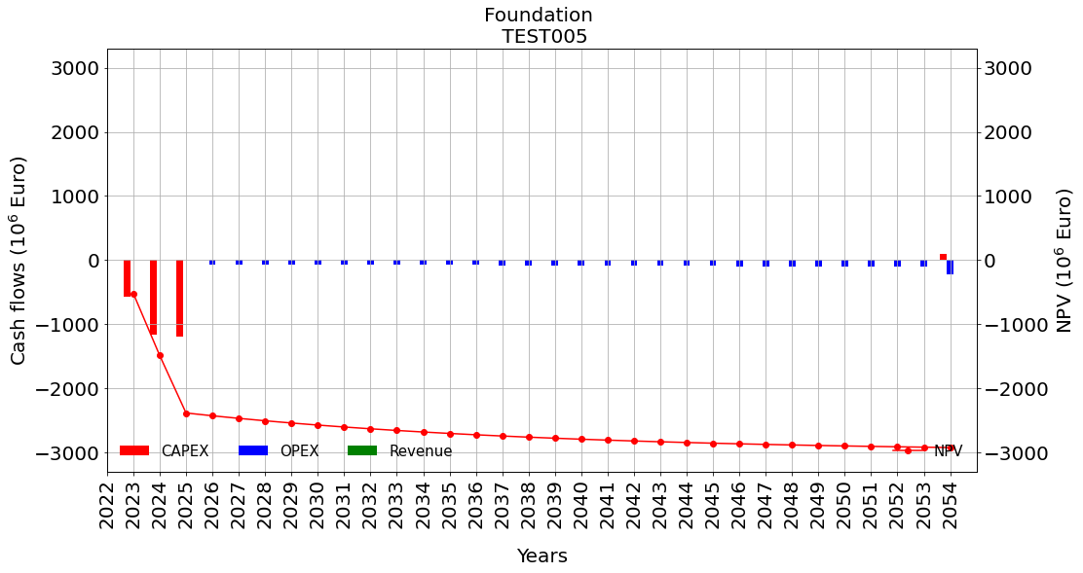
2025 | 3 | 3 | capex 3
2026 | 4 | 4 |  | opex | 2026 | investment_year + construction_duration
2027 | 5 | 5 |  | opex
2028 | 6 | 6 |  | opex
2029 | 7 | 7 |  | opex
2030 | 8 | 8 |  | opex
2031 | 9 | 9 |  | opex
2032 | 10 | 10 |  | opex
2033 | 11 | 11 |  | opex
2034 | 12 | 12 |  | opex
2035 | 13 | 13 |  | opex
2036 | 14 | 14 |  | opex
2037 | 15 | 15 |  | opex
2038 | 16 | 16 |  | opex
2039 | 17 | 17 |  | opex
2040 | 18 | 18 |  | opex
2041 | 19 | 19 |  | opex
2042 | 20 | 20 |  | opex
2043 | 21 | 21 |  | opex
2044 | 22 | 22 |  | opex
2045 | 23 | 23 |  | opex
2046 | 24 | 24 |  | opex
2047 | 25 | 25 |  | opex
2048 | 26 | 26 |  | opex
2049 | 27 | 27 |  | opex
2050 | 28 | 28 |  | opex
2051 | 29 | 29 |  | opex
2052 | 30 | 30 |  | opex
2053 | 1 | 31 | capex 1 = 0 | opex
2054 | 2 | 32 | capex 2 = 0 | opex + decommissioning
 |  |  |  |  | 2056 | investment_year + construction_duration + economic_lifetime | We should normally add "- 1", but because it is the end of 'range' it is ok like this

Test006
Case description:
Lifecycle selected exactly 1 economic lifetime + 3 years (enough to complete new capex cycle, but not one operational year)
Capex years made bold red and Opex made blue
escalation_base_year | 2023
lifecycle | 33
start_year | 2023
construction_duration | 3
economic_lifetime | 30
check:
year | economic lifetime | lifecycle | Capex | Opex
2023 | 1 | 1 | capex 1
2024 | 2 | 2 | capex 2
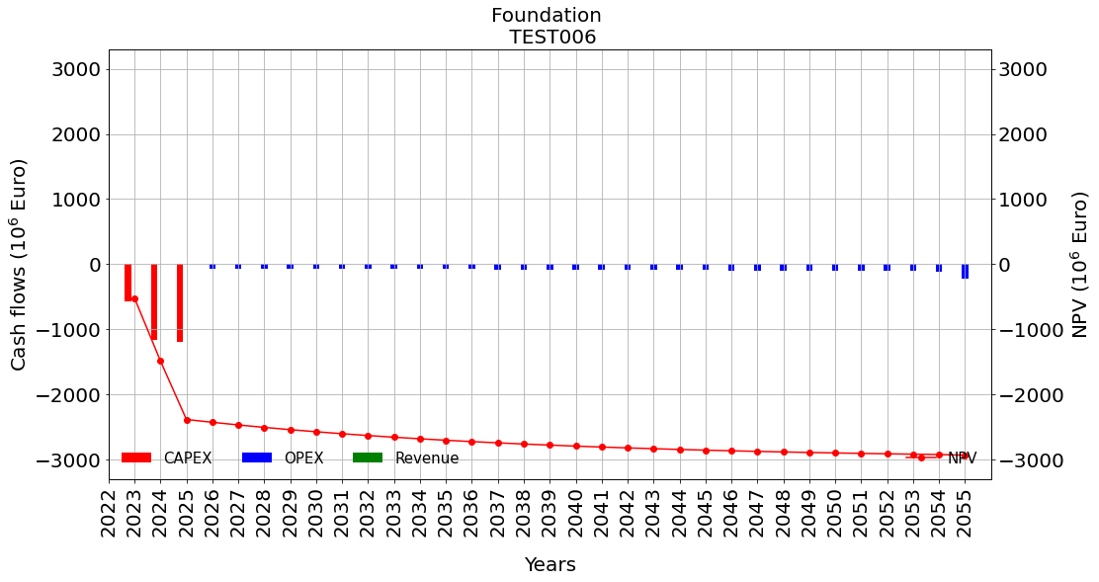
2025 | 3 | 3 | capex 3
2026 | 4 | 4 |  | opex | 2026 | investment_year + construction_duration
2027 | 5 | 5 |  | opex
2028 | 6 | 6 |  | opex
2029 | 7 | 7 |  | opex
2030 | 8 | 8 |  | opex
2031 | 9 | 9 |  | opex
2032 | 10 | 10 |  | opex
2033 | 11 | 11 |  | opex
2034 | 12 | 12 |  | opex
2035 | 13 | 13 |  | opex
2036 | 14 | 14 |  | opex
2037 | 15 | 15 |  | opex
2038 | 16 | 16 |  | opex
2039 | 17 | 17 |  | opex
2040 | 18 | 18 |  | opex
2041 | 19 | 19 |  | opex
2042 | 20 | 20 |  | opex
2043 | 21 | 21 |  | opex
2044 | 22 | 22 |  | opex
2045 | 23 | 23 |  | opex
2046 | 24 | 24 |  | opex
2047 | 25 | 25 |  | opex
2048 | 26 | 26 |  | opex
2049 | 27 | 27 |  | opex
2050 | 28 | 28 |  | opex
2051 | 29 | 29 |  | opex
2052 | 30 | 30 |  | opex
2053 | 1 | 31 | capex 1 = 0 | opex
2054 | 2 | 32 | capex 2 = 0 | opex
2055 | 3 | 33 | capex 3 = 0 | opex + decommissioning | 2056 | investment_year + construction_duration + economic_lifetime | We should normally add "- 1", but because it is the end of 'range' it is ok like this

Test007
Case description:
Lifecycle selected exactly 1 economic lifetime + 4 years (enough to complete new capex cycle, and one operational year)
Capex years made bold red and Opex made blue
escalation_base_year | 2023
lifecycle | 34
start_year | 2023
construction_duration | 3
economic_lifetime | 30
check:
year | economic lifetime | lifecycle | Capex | Opex
2023 | 1 | 1 | capex 1
2024 | 2 | 2 | capex 2
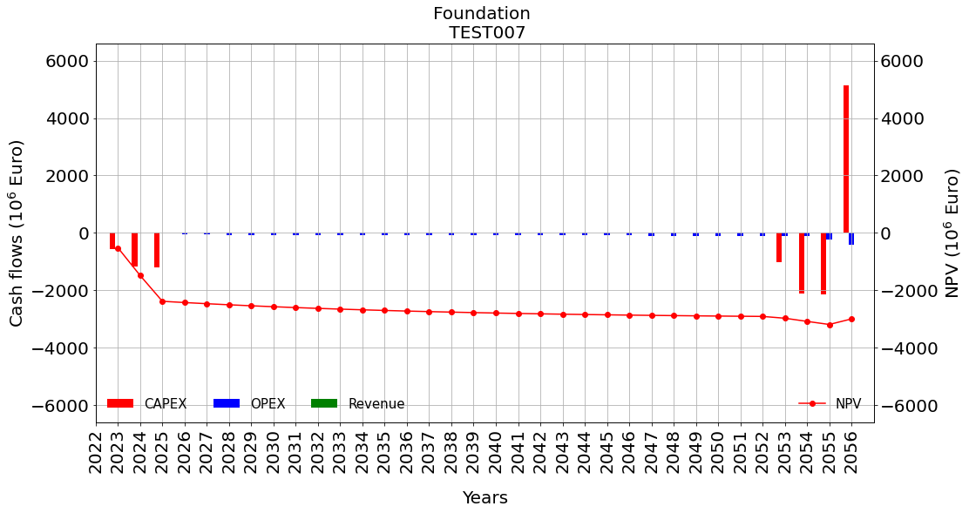
2025 | 3 | 3 | capex 3
2026 | 4 | 4 |  | opex | 2026 | investment_year + construction_duration
2027 | 5 | 5 |  | opex
2028 | 6 | 6 |  | opex
2029 | 7 | 7 |  | opex
2030 | 8 | 8 |  | opex
2031 | 9 | 9 |  | opex
2032 | 10 | 10 |  | opex
2033 | 11 | 11 |  | opex
2034 | 12 | 12 |  | opex
2035 | 13 | 13 |  | opex
2036 | 14 | 14 |  | opex
2037 | 15 | 15 |  | opex
2038 | 16 | 16 |  | opex
2039 | 17 | 17 |  | opex
2040 | 18 | 18 |  | opex
2041 | 19 | 19 |  | opex
2042 | 20 | 20 |  | opex
2043 | 21 | 21 |  | opex
2044 | 22 | 22 |  | opex
2045 | 23 | 23 |  | opex
2046 | 24 | 24 |  | opex
2047 | 25 | 25 |  | opex
2048 | 26 | 26 |  | opex
2049 | 27 | 27 |  | opex
2050 | 28 | 28 |  | opex
2051 | 29 | 29 |  | opex
2052 | 30 | 30 |  | opex
2053 | 1 | 31 | capex 1 | opex
2054 | 2 | 32 | capex 2 | opex
2055 | 3 | 33 | capex 3 | opex | 2056 | investment_year + construction_duration + economic_lifetime | We should normally add "- 1", but because it is the end of 'range' it is ok like this
2056 | 3 | 33 | divestment | opex + decommissioning

Test008
Case description:
Lifecycle selected exactly 1 economic lifetime + 5 years (enough to complete new capex cycle, and two operational years)
Capex years made bold red and Opex made blue
escalation_base_year | 2023
lifecycle | 35
start_year | 2023
construction_duration | 3
economic_lifetime | 30
check:
year | economic lifetime | lifecycle | Capex | Opex
2023 | 1 | 1 | capex 1
2024 | 2 | 2 | capex 2
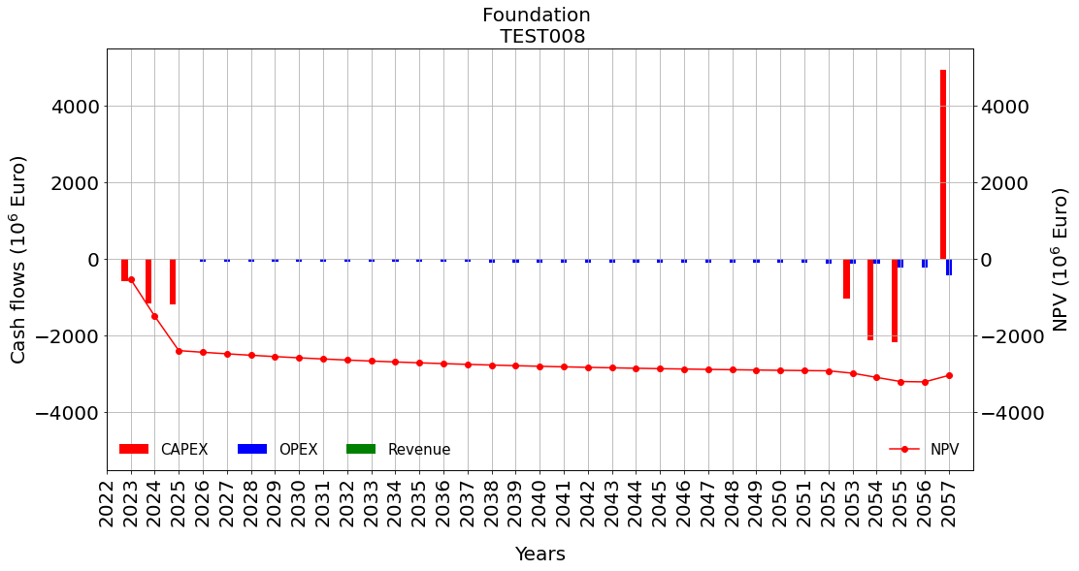
2025 | 3 | 3 | capex 3
2026 | 4 | 4 |  | opex | 2026 | investment_year + construction_duration
2027 | 5 | 5 |  | opex
2028 | 6 | 6 |  | opex
2029 | 7 | 7 |  | opex
2030 | 8 | 8 |  | opex
2031 | 9 | 9 |  | opex
2032 | 10 | 10 |  | opex
2033 | 11 | 11 |  | opex
2034 | 12 | 12 |  | opex
2035 | 13 | 13 |  | opex
2036 | 14 | 14 |  | opex
2037 | 15 | 15 |  | opex
2038 | 16 | 16 |  | opex
2039 | 17 | 17 |  | opex
2040 | 18 | 18 |  | opex
2041 | 19 | 19 |  | opex
2042 | 20 | 20 |  | opex
2043 | 21 | 21 |  | opex
2044 | 22 | 22 |  | opex
2045 | 23 | 23 |  | opex
2046 | 24 | 24 |  | opex
2047 | 25 | 25 |  | opex
2048 | 26 | 26 |  | opex
2049 | 27 | 27 |  | opex
2050 | 28 | 28 |  | opex
2051 | 29 | 29 |  | opex
2052 | 30 | 30 | divestment = 0 | opex
2053 | 1 | 31 | capex 1 | opex
2054 | 2 | 32 | capex 2 | opex
2055 | 3 | 33 | capex 3 | opex + decommissioning | 2056 | investment_year + construction_duration + economic_lifetime | We should normally add "- 1", but because it is the end of 'range' it is ok like this
2056 | 4 | 34 |  | opex | 2056 | investment_year + construction_duration + economic_lifetime
2057 | 5 | 35 | divestment | opex + decommissioning | 2058 | escalation_base_year + lifecycle | We should normally add "- 1", but because it is the end of 'range' it is ok like this

Test009
Case description:
startyear selected to be 10 years after the escalation_base_year. Lifecycle selected exactly 1 economic lifetime + 5 years (enough to complete new capex cycle, and two operational years)
Capex years made bold red and Opex made blue
escalation_base_year | 2023
lifecycle | 45
start_year | 2033
construction_duration | 3
economic_lifetime | 30
check:
year | economic lifetime | lifecycle | Capex | Opex
2023 |  | 1
2024 |  | 2
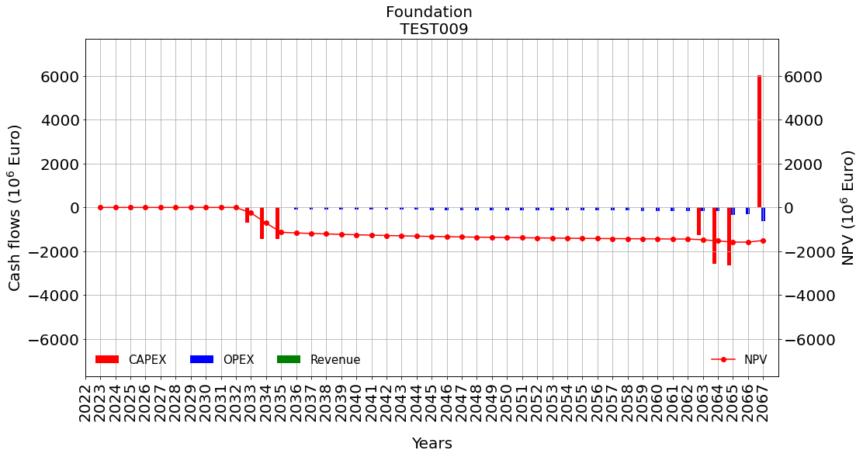
2025 |  | 3
2026 |  | 4
2027 |  | 5
2028 |  | 6
2029 |  | 7
2030 |  | 8
2031 |  | 9
2032 |  | 10
2033 | 1 | 11 | capex 1
2034 | 2 | 12 | capex 2
2035 | 3 | 13 | capex 3
2036 | 4 | 14 |  | opex | 2036 | investment_year + construction_duration
2037 | 5 | 15 |  | opex
2038 | 6 | 16 |  | opex
2039 | 7 | 17 |  | opex
2040 | 8 | 18 |  | opex
2041 | 9 | 19 |  | opex
2042 | 10 | 20 |  | opex
2043 | 11 | 21 |  | opex
2044 | 12 | 22 |  | opex
2045 | 13 | 23 |  | opex
2046 | 14 | 24 |  | opex
2047 | 15 | 25 |  | opex
2048 | 16 | 26 |  | opex
2049 | 17 | 27 |  | opex
2050 | 18 | 28 |  | opex
2051 | 19 | 29 |  | opex
2052 | 20 | 30 |  | opex
2053 | 21 | 31 |  | opex
2054 | 22 | 32 |  | opex
2055 | 23 | 33 |  | opex
2056 | 24 | 34 |  | opex
2057 | 25 | 35 |  | opex
2058 | 26 | 36 |  | opex
2059 | 27 | 37 |  | opex
2060 | 28 | 38 |  | opex
2061 | 29 | 39 |  | opex
2062 | 30 | 40 |  | opex
2063 | 31 | 41 | capex 1 | opex
2064 | 32 | 42 | capex 2 | opex
2065 | 33 | 43 | capex 3 | opex + decomissioning
2066 | 34 | 44 |  | opex
2067 | 35 | 45 | divestment | opex + decomissioning | 2068 | escalation_base_year + lifecycle | We should normally add "- 1", but because it is the end of 'range' it is ok like this

Test010
Case description:
startyear selected to be 10 years after the escalation_base_year. Lifecycle selected exactly 1 economic lifetime + 5 years (enough to complete new capex cycle, and two operational years)
Capex years made bold red and Opex made blue
escalation_base_year | 2023
lifecycle | 35
start_year | 2033
construction_duration | 3
economic_lifetime | 30
check:
year | economic lifetime | lifecycle | Capex | Opex
2023 |  | 1
2024 |  | 2
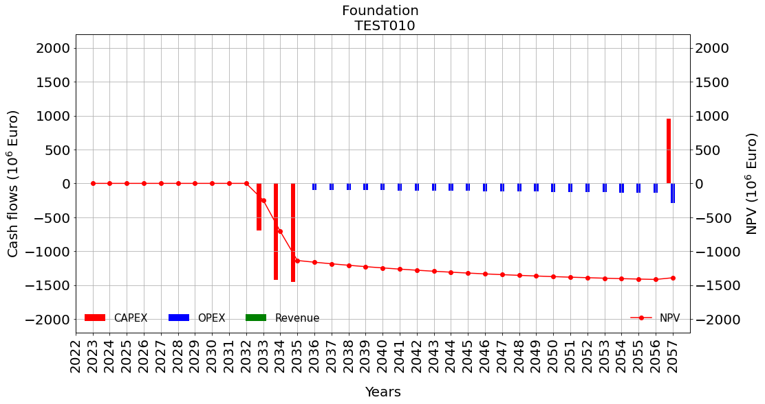
2025 |  | 3
2026 |  | 4
2027 |  | 5
2028 |  | 6
2029 |  | 7
2030 |  | 8
2031 |  | 9
2032 |  | 10
2033 | 1 | 11 | capex 1
2034 | 2 | 12 | capex 2
2035 | 3 | 13 | capex 3
2036 | 4 | 14 |  | opex | 2036 | investment_year + construction_duration
2037 | 5 | 15 |  | opex
2038 | 6 | 16 |  | opex
2039 | 7 | 17 |  | opex
2040 | 8 | 18 |  | opex
2041 | 9 | 19 |  | opex
2042 | 10 | 20 |  | opex
2043 | 11 | 21 |  | opex
2044 | 12 | 22 |  | opex
2045 | 13 | 23 |  | opex
2046 | 14 | 24 |  | opex
2047 | 15 | 25 |  | opex
2048 | 16 | 26 |  | opex
2049 | 17 | 27 |  | opex
2050 | 18 | 28 |  | opex
2051 | 19 | 29 |  | opex
2052 | 20 | 30 |  | opex
2053 | 21 | 31 |  | opex
2054 | 22 | 32 |  | opex
2055 | 23 | 33 |  | opex
2056 | 24 | 34 |  | opex
2057 | 25 | 35 | divestment | opex + decommissioning | 2058 | min([startyear+construction_duration+economic_lifetime; escalation_base_year + lifecycle] | We should normally add "- 1", but because it is the end of 'range' it is ok like this

